Instructions
General Information
The financial report is prepared semiannually to show cumulative activity for the biennium. The report summarizes the actual activity that has posted on the program income budget for the biennium and includes accruals for activities that have not yet posted to the budget but were earned/received during the time period being reported.

The report is set up so revenue is entered as a credit (-) and expenditures as a debit (+).

IMPORTANT! Before filling out this report you will need to change a setting within MyFinancial Desktop that will allow you to view the program income budget on a biennial basis (if you already have this set up, skip to the Preparing the Report section below) . Complete the following steps.

Step 1 - Click the "SETUP" button found towards the top right of the screen.


Step 2 - Click "Set my Reporting Screen Defaults"
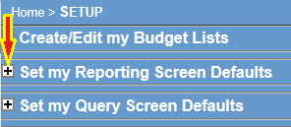

Step 3 - Check off the box next to "Show Project Reporting Period Selection Option" then click the "Save My Report Settings" button
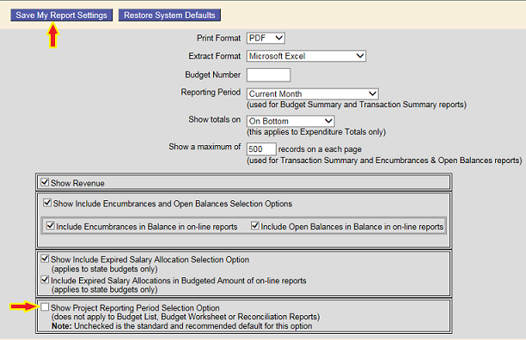

Once you have completed the above steps you will be able to view the BSR on a biennial basis.
Note - after completing the above steps a new box will appear towards the top of your budget information.

Leave this box unchecked in order to view on a biennial basis. When you check this box it will switch the view back to how it was prior to making these changes. You can check and uncheck this box based on how you want to view your budget.

PREPARING THE REPORT

Top Portion - BSR
The top part of the form is copied from the Budget Status Report (BSR). The total expenditures and total revenues amount on your report should match up to the totals on the BSR.

Enter the values as they are in MyFD.

Bottom Portion - Accruals
The bottom of the form includes accrued amounts that are not on the BSR and relate to the time period being reported.

Accrued Revenue
Accrued revenue includes revenues for materials and/or services that have been provided but not yet billed for or have been billed for but payment has not been received during the period you are reporting. This applies to both internal and external sales.

When reporting accrued revenue you must complete the Accrued Revenue worksheet. In this worksheet you should itemize the accrued items.*

*You may use an alternative report to provide the accrual details. If electing to use an alternative report, enter the total internal and/or external revenue amounts on the Accrued Revenue worksheet, then attach the backup along with the report.

Accrued Expenses
Include only valid expenses for which materials were received and/or service rendered but not yet paid for during the period you are reporting.

When reporting accrued expenses you must complete the Accrued Expense worksheet. In this worksheet you should itemize the accrued items. **

**You may use an alternative report to provide the accrual details. If electing to use an alternative report, enter the total accrued expenses in the Accrued Expense worksheet, then attach the backup along with the report.

Accrued Indirect Costs
This value will be automatically calculated for you.

Adjusted Net Fund Balance
With this report format, surpluses are shown as a credit (-) and deficits as a debit (+) following accounting conventions.

